MN IRP
Xcel IRP (2020) | https://www.xcelenergy.com/staticfiles/xe-responsive/Company/Rates%20&%20Regulations/Resource%20Plans/Upper-Midwest-Energy-Plan-Supplement-063020.PDF
Combined Cycle Resources and Renewable Resources
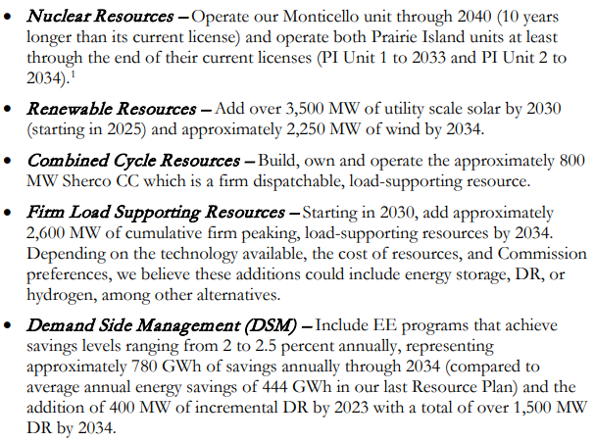

In Minnesota | Additional capacity:

Renewables |  | 2025 | 2030 | 2034 | Total | per year
 | solar pv |  | 3500 |  | 3500 | 700 | 3500
 | wind |  |  | 2250 | 2250 | 250 | 2250

Gas
 |  | 2027 | 2034 | Total | per year
 | NG nonpeaker | 800 |  | 800
 | NG peaker |  | 2600 | 2600 | 520.00

Mandated Construction (MW) | 2019 | 2020 | 2021 | 2022 | 2023 | 2024 | 2025 | 2026 | 2027 | 2028 | 2029 | 2030 | 2031 | 2032 | 2033 | 2034 | 2035 | 2036 | 2037 | 2038 | 2039 | 2040 | 2041 | 2042 | 2043 | 2044 | 2045 | 2046 | 2047 | 2048 | 2049 | 2050
hard coal
natural gas nonpeaker |  |  |  |  |  |  |  |  | 800
nuclear
hydro
onshore wind |  |  |  |  |  |  |  | 250 | 250 | 250 | 250 | 250 | 250 | 250 | 250 | 250
solar PV |  |  |  |  |  |  |  | 700 | 700 | 700 | 700 | 700
solar thermal
biomass
geothermal
petroleum
natural gas peaker |  |  |  |  |  |  |  |  |  |  |  | 520.00 | 520.00 | 520.00 | 520.00 | 520.00
lignite
offshore wind
crude oil
heavy or residual fuel oil
municipal solid waste

